output 2AB - parameters plots
Purpose | Category | Parameters to calculate (for each trace, plus means for each group: seizure, failed seizure, WT) | Plots to output (color scheme as in output 1)

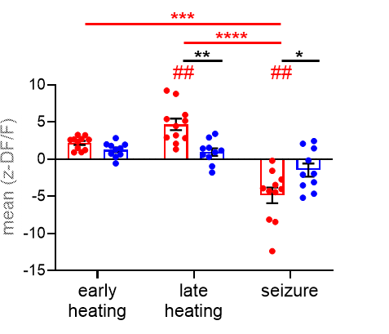
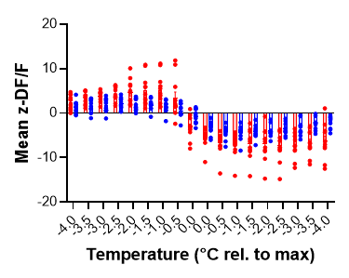
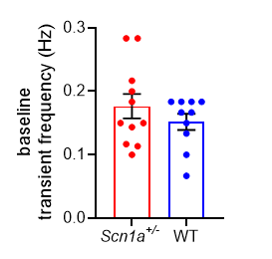
cohort characteristics | cohort characteristics | baseline temperature | scatter plot w/ means +/- SEM for baseline temperatures of 3 cohorts
 |  | seizure threshold | scatter plot w/ mean thresholds for session 1, session 2, etc. Lines connecting sequential sessions from same mouse (note this will only be for the seizure group)
 |  | seizure duration | scatter plot w/ mean durations for session 1, session 2, etc. Lines connecting sequential sessions from same mouse (note this will only be for the seizure group)

differences at baseline? | baseline / interictal characteristics (transients) | transient frequency (across baseline period) | scatter plot w/ means +/- SEM for 3 cohorts (like this, but for all 3 groups)
 |  | transient amplitude (mean calculated across baseline period)
 |  | transient half-widths (mean calculated across baseline period)

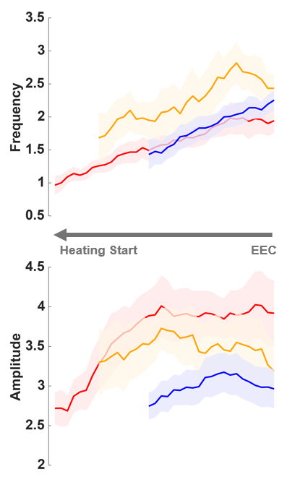
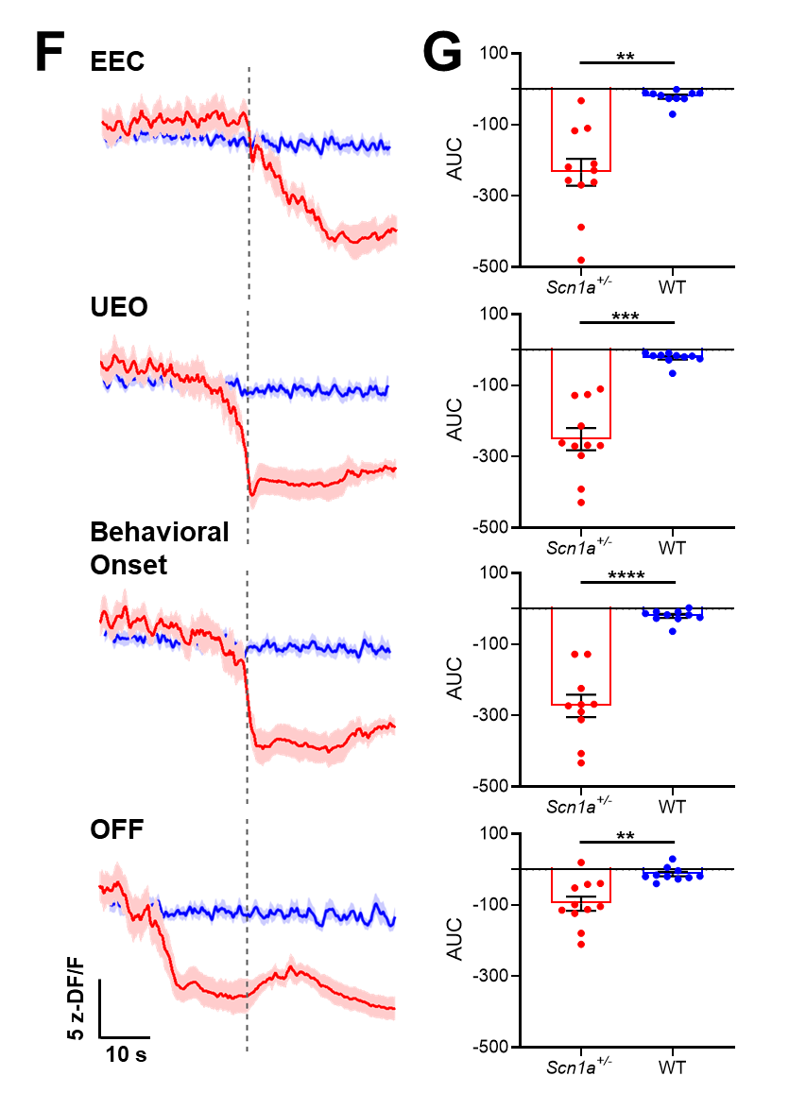
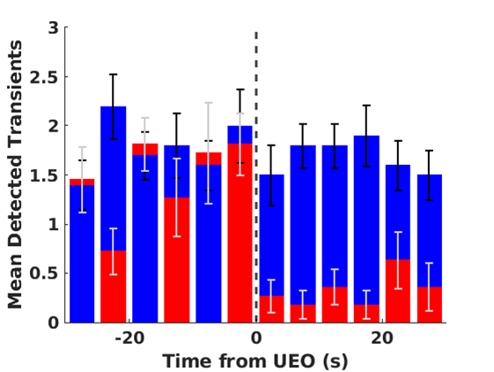
changes in mean signal | mean signal (by time period) | average across all traces in each cohort, after aligning to UEO / equivalent ***match y-axes across all conditions*** | one seperate plot for each cohort, with mean+/-shaded CI, spanning UEO +/- 150 seconds (see email 4/22/26 for example)
 |  | mean signal (z-DF/F) by time period (split heating): mean signal binned by early heat, late heat, ictal / equivalent periods | along these lines:
 |  | mean signal (z-DF/F) by time period (consolidate heating): mean signal binned by heating, ictal / equivalent periods
 |  | mean signal at end of late heat -- i.e., right (10 seconds?) before seizure onset / equivalent | scatter plot
 |  | delta of mean signal from end of late heat (as above) to max/min within ictal /equivalent period | scatter plot
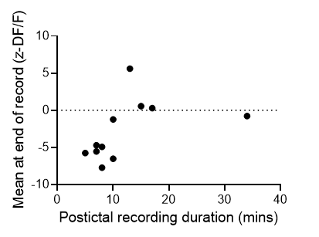
 | mean signal (by temp) | by temp: mean signal during heating, relative to seizure onset temperature / equivalent for each trace, binned by 1C | along these lines (but just for heating period):

 | triggered averages | interictal ECoG spike-triggered average signal & associated AUC quantification | x-axis starts slightly prior to 0 and extends only as far as AUC calculation (10 seconds?); exclude spikes within 30 seconds of ictal onset
 |  | triggered averages based on key ictal experimental timepoints & associated AUC quantification - EEC / equivalent - UEO / equivalent - behavioral onset / equivalent - OFF / equivalent - max temp / equivalent | x-axis starts slightly prior to 0 and extends only as far as AUC calculation (calculate across mean seizure duration)

 | postictal recovery (*needs work*) | temp rel to max vs mean z-DF/F (cooling portion only), binned by 1C | x-axis should start at 0 and tthen go negative
 |  | final recording time (post seizure, in seconds) vs final recording temp | along these lines
 |  | final recording time (post seizure, in seconds) vs final mean DF/F
 |  | final recording temp (post seizure, in seconds) vs final mean DF/F

changes in transients | pre-ictal transients (by temp) | moving averages of transient properties while heating (from "seizure onset temp - X" to "seizure onset temp") - frequency - amplitude - half-width | remember to use prominence as per individual traces
 |  | transient properties binned by temp while heating (from "seizure onset temp - X" to "seizure onset temp", binned by 1C) - frequency - amplitude - half-width

 | pre-ictal transients (by time) | same as above, except moving averages across time / binned by time

 | ictal dynamics (transients) | PSTH of transient frequency before vs after UEO / equivalent | leave as bar graph but make translucent and add individual data points
 |  | moving averages of transient frequency, zoomed in to time around UEO / equivalent - frequency - amplitude - half-width | as above

